CTC,i LUT
Table 6. Ecoregions
Ecoregion | Live & Dead Biomass (Mg CO2e/acre) | SCtotal | Regions based on Level II Ecoregions designated by the Commission for Environmental Cooperation
[Select region] |  |  | https://www.epa.gov/eco-research/ecoregions-north-america
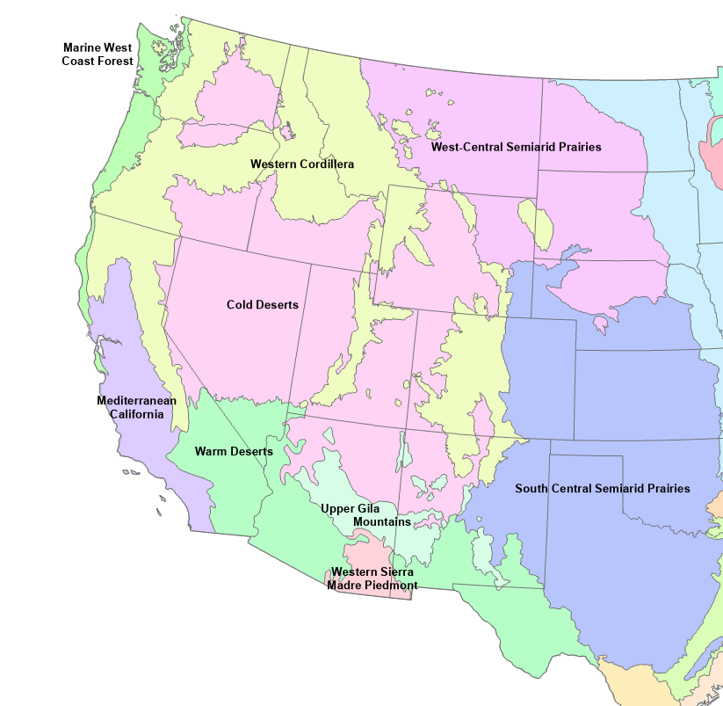
Western Cordillera | 13.4 | 31.55
Marine West Coast Forest | 0.4 | 18.55
Cold Deserts | 30.1 | 48.25
Warm Deserts | 13.3 | 31.45
Mediterranean California | 4 | 22.15
Based on Buchholz et al. 2019

